About
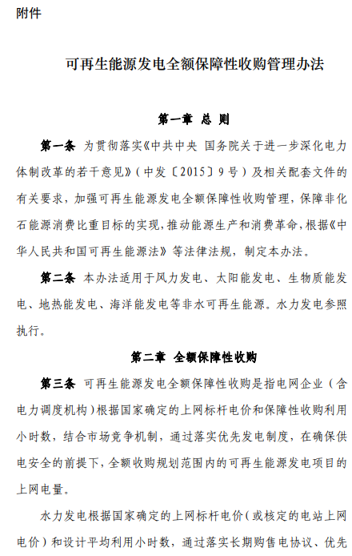
BGDPbES BAU Guaranteed Dispatch Percentage by Electricity Source

Notes:
This variable is used to specify the percentage of potential electricity output from each
source that is guaranteed (e.g. dispatched before any least-cost dispatching
begins) in the BAU case.

Some dispatch from peaking plants (natural gas peakers and petroleum-fired plants)
is guaranteed in the model, to provide for grid stability and regulation needs.
The model will disatch these plants in the guaranteed dispatch section by the larger
of the default amount or the amount specified here by the user.

